Input
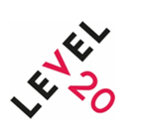

Please select your Country and AUM size before entering raw data into the Red boxes.

COUNTRY | Please select one:

AUM SIZE: | Please select one:

Function of staff (by Number of FTE) across gender and seniority:
 | Male | Female | Total

Investment Professionals - Senior |  |  | 0

Investment Professionals - Mid |  |  | 0

Investment Professionals - Junior |  |  | 0

TOTAL | 0 | 0 | 0

Note: No data tool currently available for Poland, Netherlands or Spain.
Note: This tool should be used in conjunction with the Level 20 Gender Diversity Report 2022

