About
Diversity in UK Private Equity and Venture Capital 2025 - Data pack
February 2025

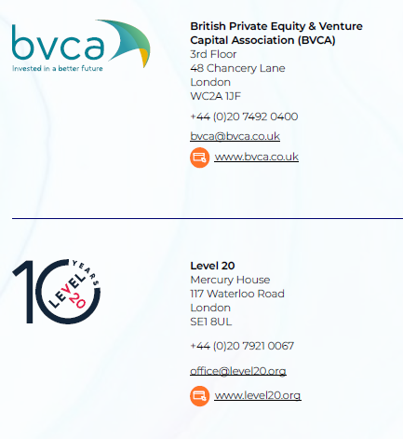
Overview

This spreadsheet accompanies the Diversity in UK Private Equity and Venture Capital 2025 report published by the British Private Equity and Venture Capital Association and Level 20. It contains the aggregated background data supporting charts and tables in this report.

The data in this report was collected from BVCA members and Level 20 sponsors from October to December 2024. A webscrape was performed on firms who have not provided a response from third party sources. Please see the full report for details of the methodology used in collecting and aggregating the data.

Authors | Suzi Gillespie | Head of Research, BVCA
 | Cassie Lloyd Perrin | Head of Industry Impact, Level 20
 | Ben Wilkins | Research and Advocacy Manager, Level 20
 | Hind Jbala | Senior Research Analyst, BVCA
 | Oliver Greene | Data Analyst, Level 20
 | Jess Carter | Marketing and Communications, Level 20

Referencing the report or underlying data | If referencing this data, please credit as "Diversity in UK Private Equity and Venture Capital 2025 report" and link to the report

Contact details | For any queries on this spreadsheet, including if you wish to reference the data in any document for public consumption, please contact research@bvca.co.uk

